Sheet1
Phase 2 Survey Data Analysis
This workbook contains the tables, charts and data analysis for the Creative Arts Education in Leeds Survey, 2024. It will be developed as the project progresses, and as more data sources become available for analysis.

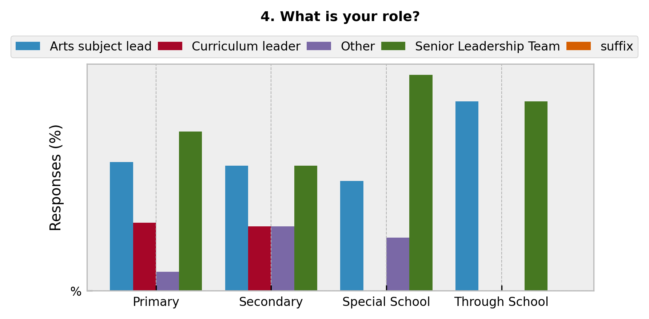
School Type | Arts subject lead | Curriculum leader | Other | Senior Leadership Team | suffix
Primary | 34 | 18 | 5 | 42 | %
Secondary | 33 | 17 | 17 | 33 | %
Special School | 29 | 0 | 14 | 57 | %
Through School | 50 | 0 | 0 | 50 | %

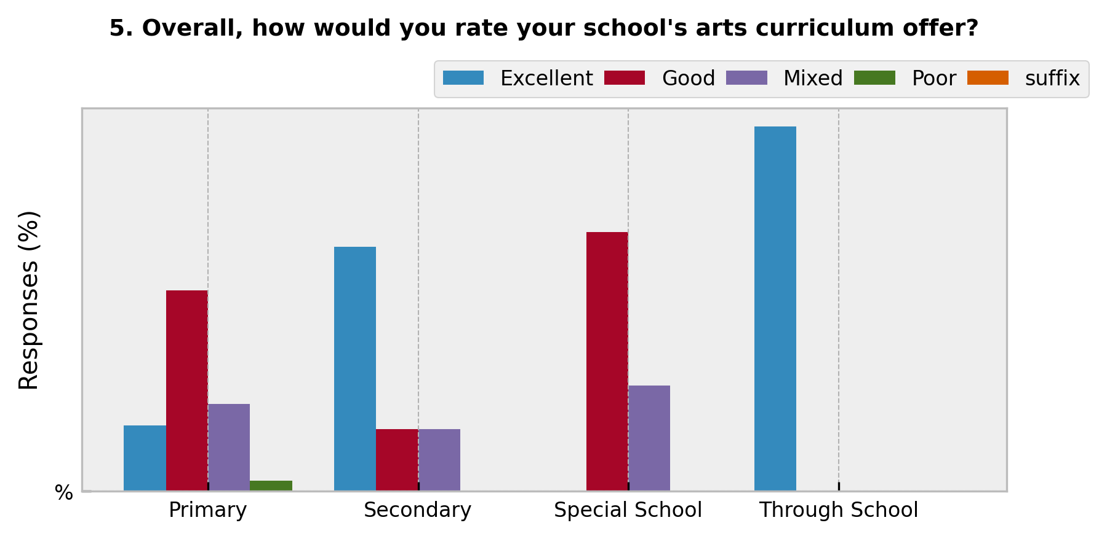
School Type | Excellent | Good | Mixed | Poor | suffix
Primary | 18 | 55 | 24 | 3 | %
Secondary | 67 | 17 | 17 | 0 | %
Special School | 0 | 71 | 29 | 0 | %
Through School | 100 | 0 | 0 | 0 | %

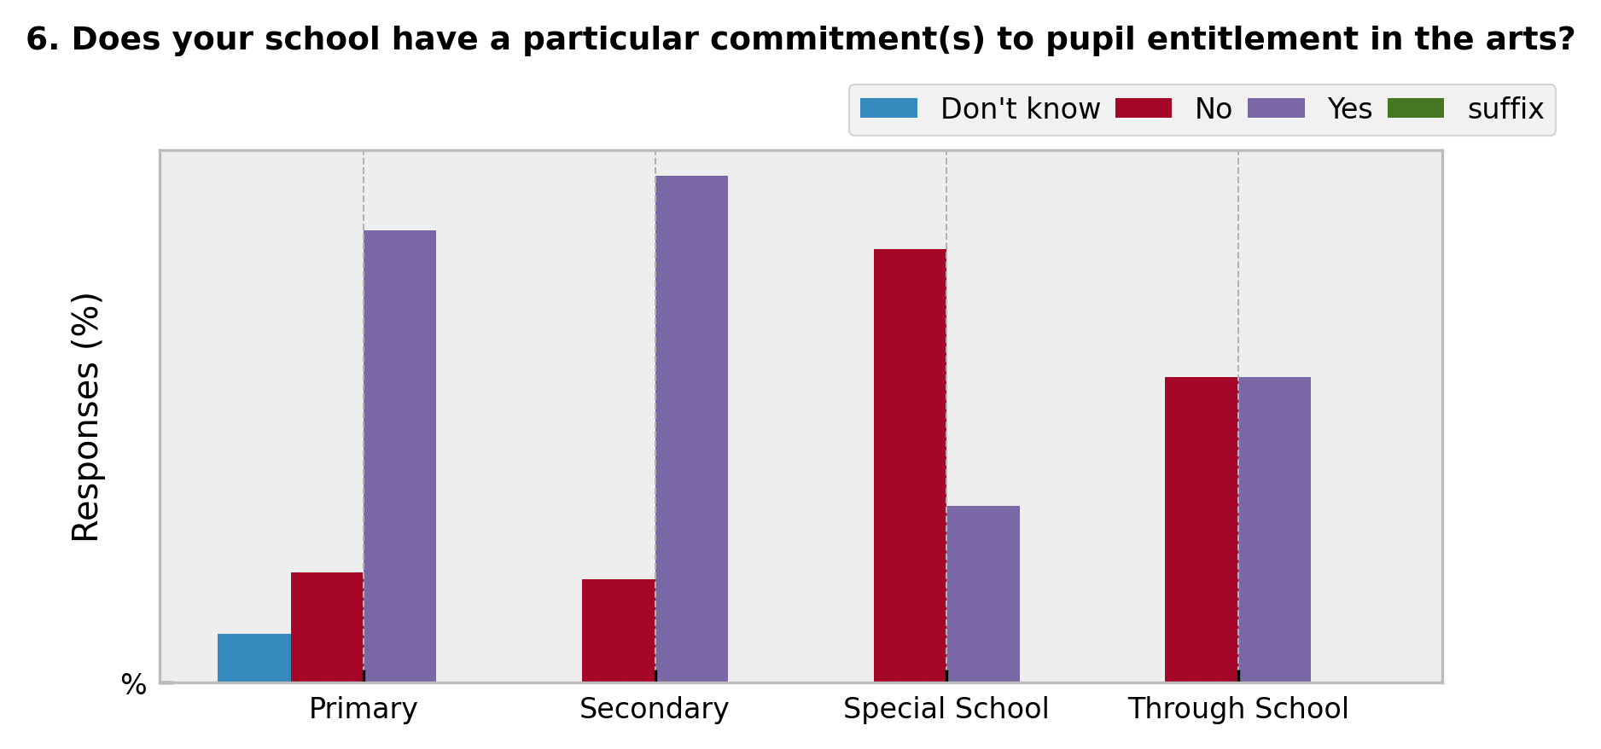
School Type | Don't know | No | Yes | suffix
Primary | 8 | 18 | 74 | %
Secondary | 0 | 17 | 83 | %
Special School | 0 | 71 | 29 | %
Through School | 0 | 50 | 50 | %

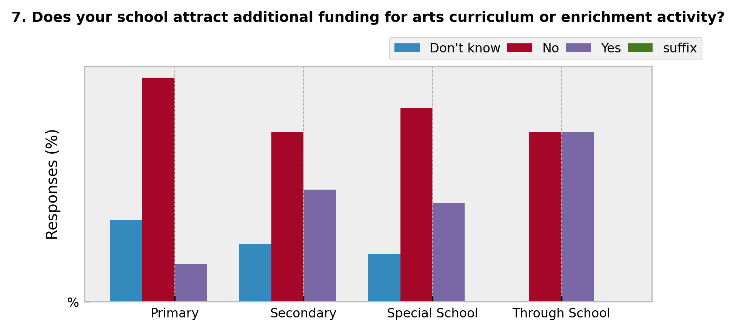
School Type | Don't know | No | Yes | suffix
Primary | 24 | 66 | 11 | %
Secondary | 17 | 50 | 33 | %
Special School | 14 | 57 | 29 | %
Through School | 0 | 50 | 50 | %

School Type | Don't know | No | Yes | suffix
Primary | 16 | 37 | 47 | %
Secondary | 0 | 33 | 67 | %
Special School | 0 | 57 | 43 | %
Through School | 0 | 0 | 100 | %

School Type | Don't know | No | Yes | suffix
Primary | 18 | 32 | 50 | %
Secondary | 0 | 0 | 100 | %
Special School | 0 | 29 | 71 | %
Through School | 0 | 0 | 100 | %

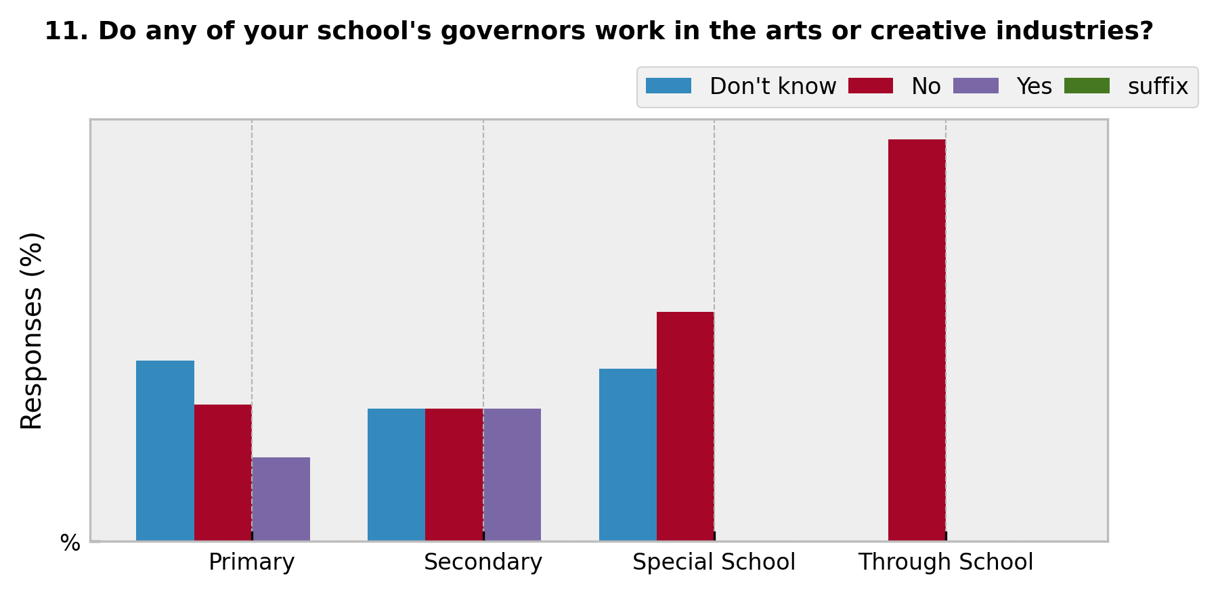
School Type | Don't know | No | Yes | suffix
Primary | 45 | 34 | 21 | %
Secondary | 33 | 33 | 33 | %
Special School | 43 | 57 | 0 | %
Through School | 0 | 100 | 0 | %

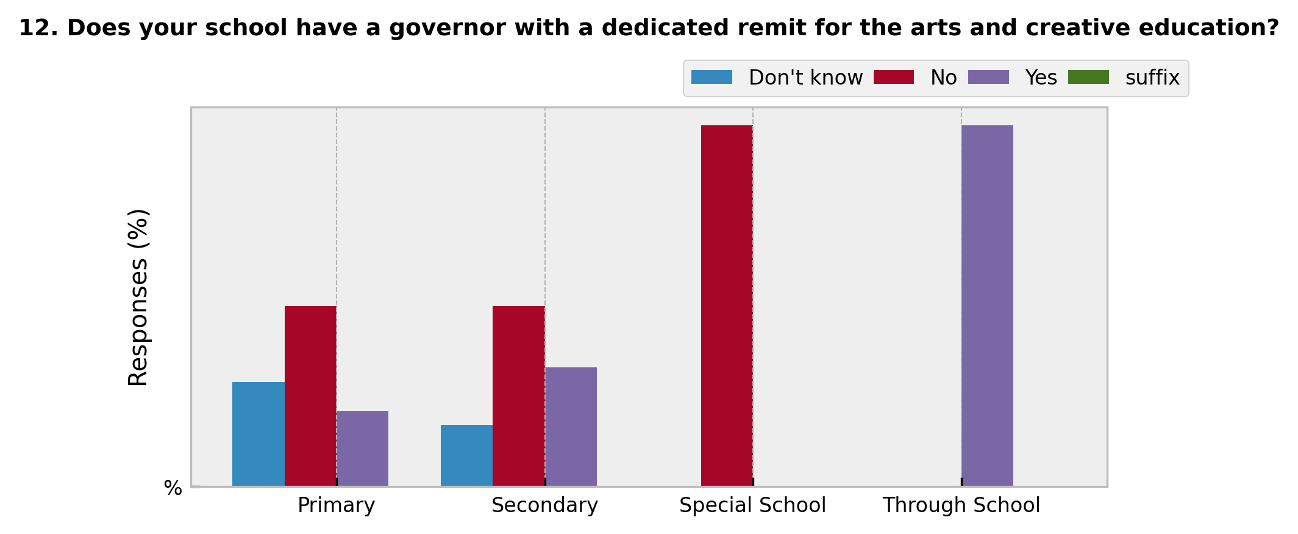
School Type | Don't know | No | Yes | suffix
Primary | 29 | 50 | 21 | %
Secondary | 17 | 50 | 33 | %
Special School | 0 | 100 | 0 | %
Through School | 0 | 0 | 100 | %

School Type | Don't know | No | Yes | suffix
Primary | 0 | 92 | 8 | %
Secondary | 17 | 50 | 33 | %
Special School | 0 | 33 | 67 | %
Through School | 0 | 0 | 100 | %

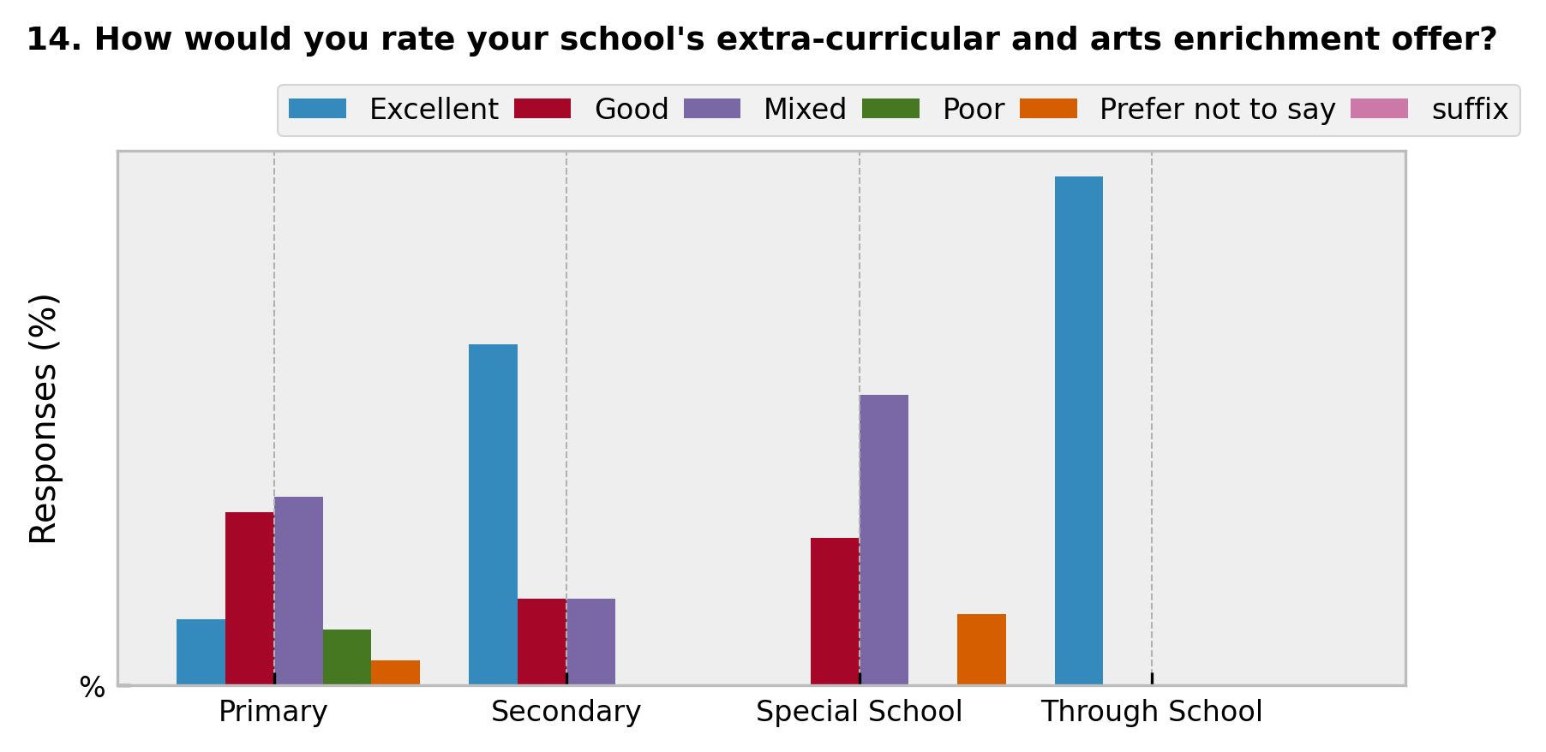
School Type | Excellent | Good | Mixed | Poor | Prefer not to say | suffix
Primary | 13 | 34 | 37 | 11 | 5 | %
Secondary | 67 | 17 | 17 | 0 | 0 | %
Special School | 0 | 29 | 57 | 0 | 14 | %
Through School | 100 | 0 | 0 | 0 | 0 | %

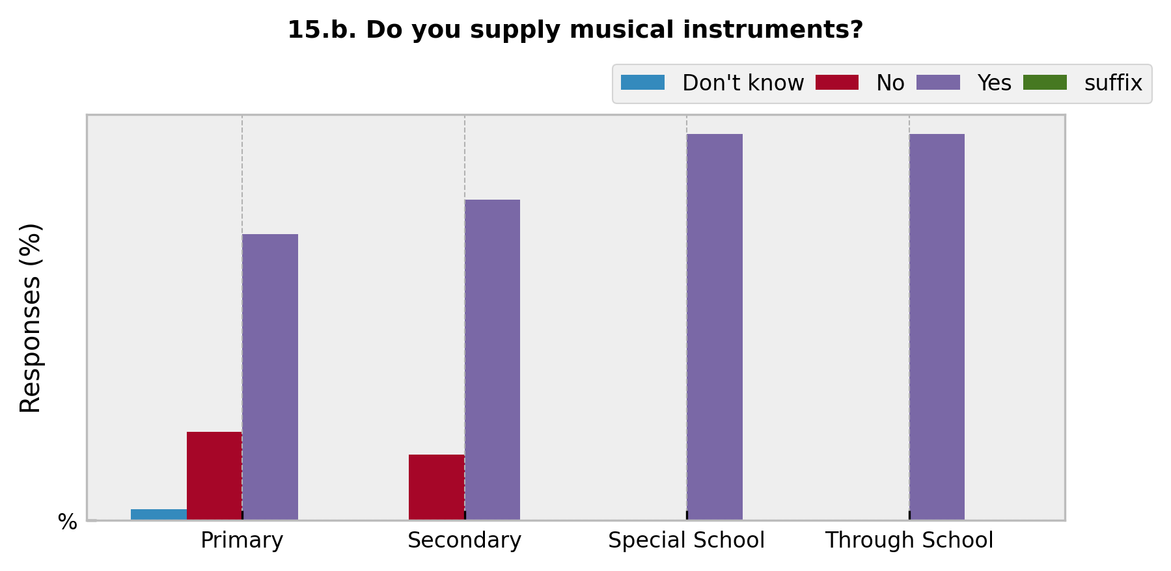
School Type | Don't know | No | Yes | suffix
Primary | 3 | 23 | 74 | %
Secondary | 0 | 17 | 83 | %
Special School | 0 | 0 | 100 | %
Through School | 0 | 0 | 100 | %

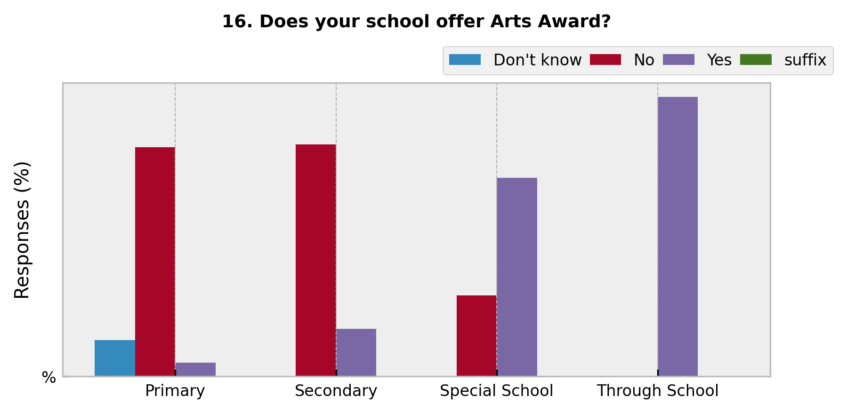
School Type | Don't know | No | Yes | suffix
Primary | 13 | 82 | 5 | %
Secondary | 0 | 83 | 17 | %
Special School | 0 | 29 | 71 | %
Through School | 0 | 0 | 100 | %

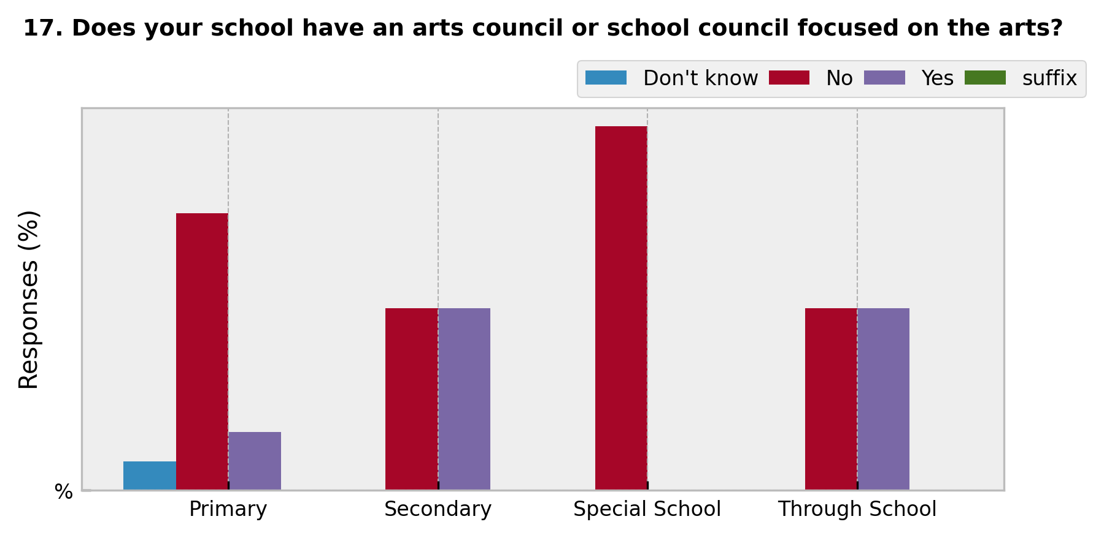
School Type | Don't know | No | Yes | suffix
Primary | 8 | 76 | 16 | %
Secondary | 0 | 50 | 50 | %
Special School | 0 | 100 | 0 | %
Through School | 0 | 50 | 50 | %

School Type | Don't know | No | Yes | suffix
Primary | 21 | 11 | 68 | %
Secondary | 33 | 0 | 67 | %
Special School | 0 | 14 | 86 | %
Through School | 0 | 0 | 100 | %

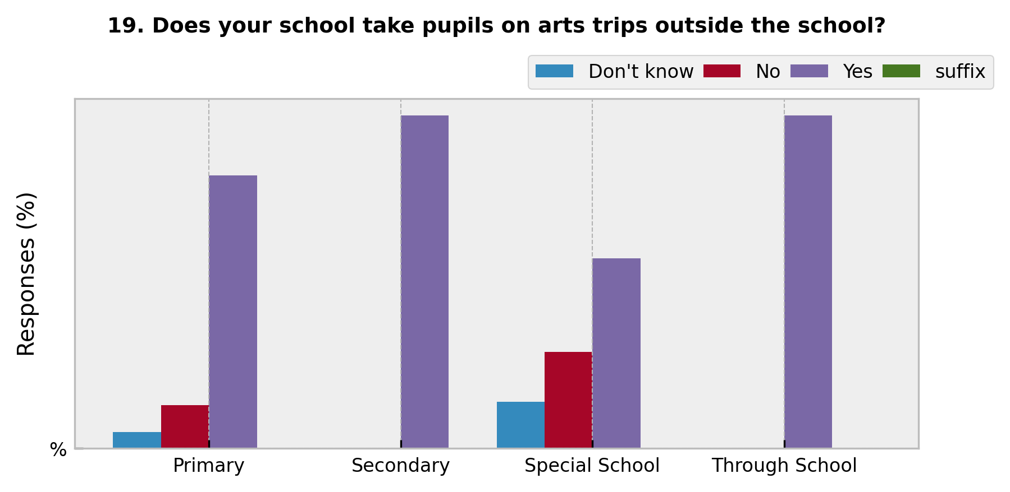
School Type | Don't know | No | Yes | suffix
Primary | 5 | 13 | 82 | %
Secondary | 0 | 0 | 100 | %
Special School | 14 | 29 | 57 | %
Through School | 0 | 0 | 100 | %

School Type | Don't know | No | Prefer not to say | Yes | suffix
Primary | 11 | 58 | 5 | 26 | %
Secondary | 0 | 83 | 0 | 17 | %
Special School | 0 | 71 | 0 | 29 | %
Through School | 0 | 100 | 0 | 0 | %

School Type | Don't know | No | Prefer not to say | Yes | suffix
Primary | 11 | 79 | 3 | 8 | %
Secondary | 0 | 100 | 0 | 0 | %
Special School | 0 | 43 | 14 | 43 | %
Through School | 0 | 100 | 0 | 0 | %

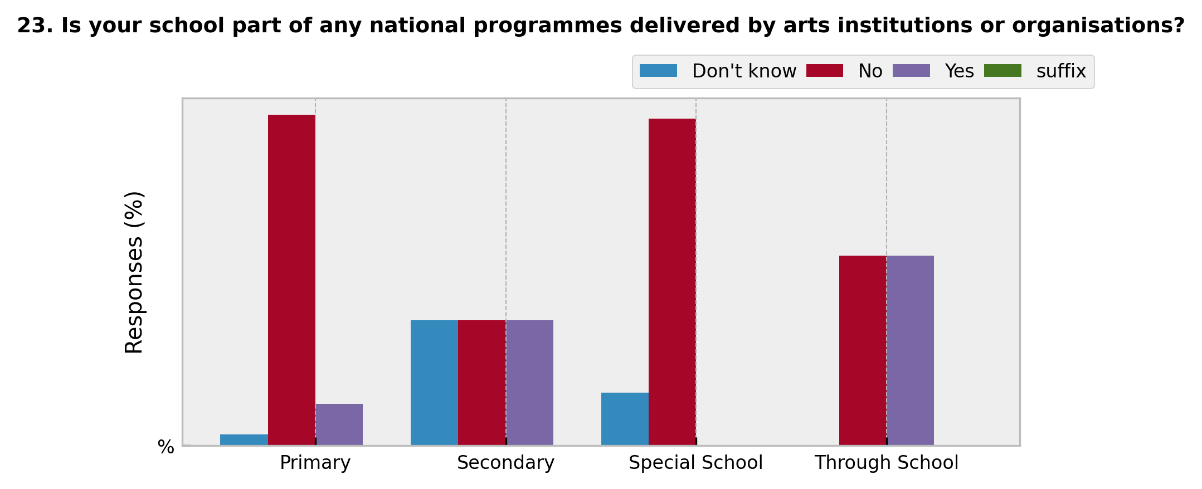
School Type | Don't know | No | Yes | suffix
Primary | 3 | 87 | 11 | %
Secondary | 33 | 33 | 33 | %
Special School | 14 | 86 | 0 | %
Through School | 0 | 50 | 50 | %

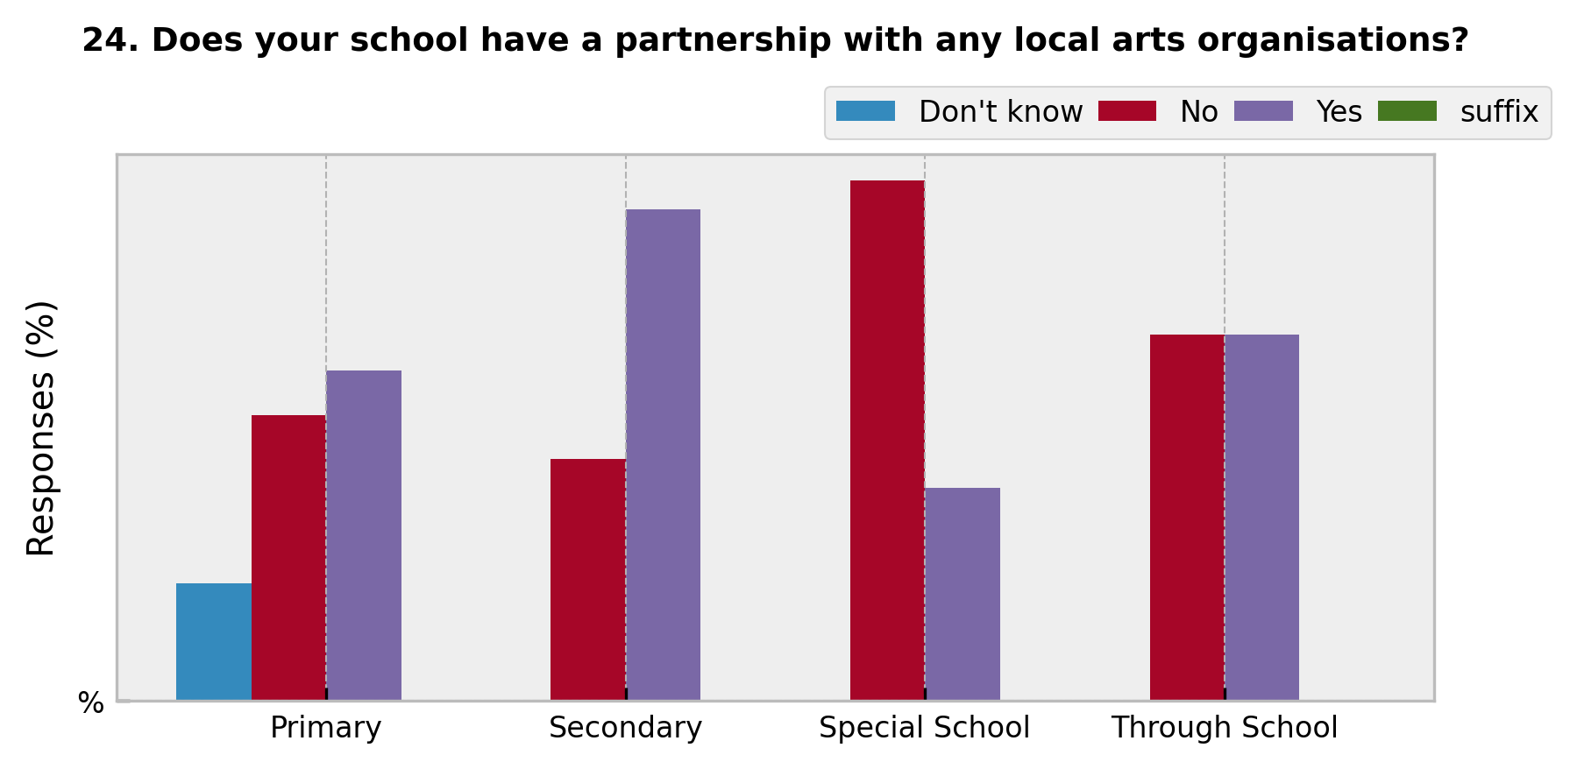
School Type | Don't know | No | Yes | suffix
Primary | 16 | 39 | 45 | %
Secondary | 0 | 33 | 67 | %
Special School | 0 | 71 | 29 | %
Through School | 0 | 50 | 50 | %

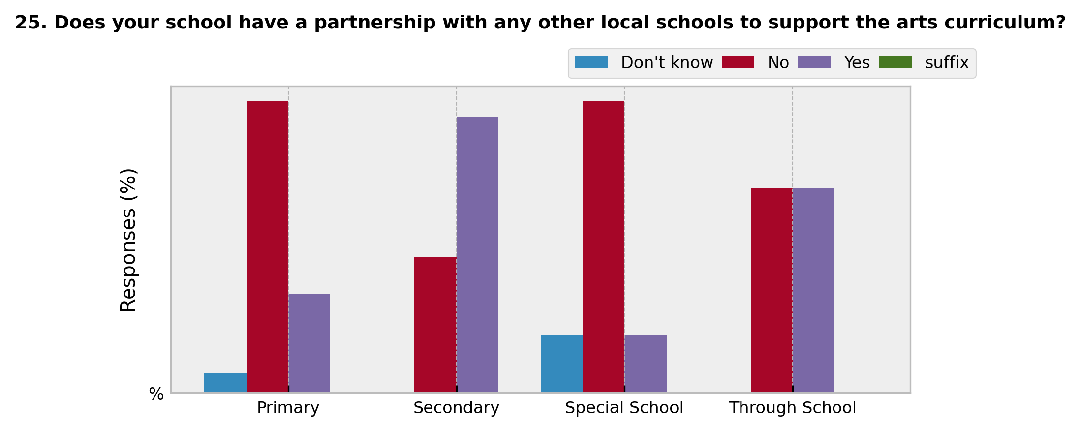
School Type | Don't know | No | Yes | suffix
Primary | 5 | 71 | 24 | %
Secondary | 0 | 33 | 67 | %
Special School | 14 | 71 | 14 | %
Through School | 0 | 50 | 50 | %

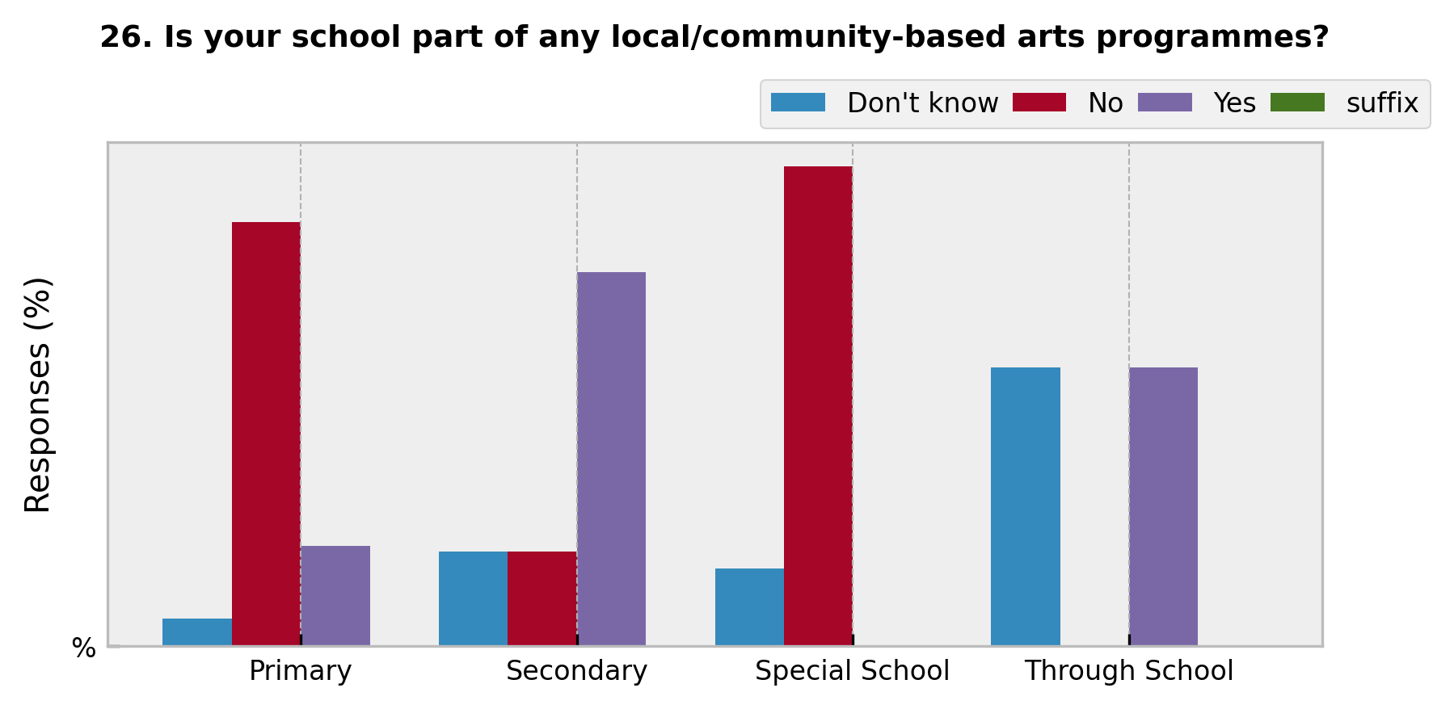
School Type | Don't know | No | Yes | suffix
Primary | 5 | 76 | 18 | %
Secondary | 17 | 17 | 67 | %
Special School | 14 | 86 | 0 | %
Through School | 50 | 0 | 50 | %

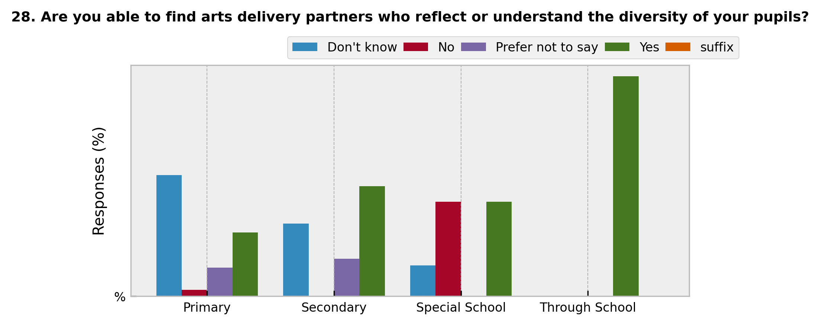
School Type | Don't know | No | Prefer not to say | Yes | suffix
Primary | 55 | 3 | 13 | 29 | %
Secondary | 33 | 0 | 17 | 50 | %
Special School | 14 | 43 | 0 | 43 | %
Through School | 0 | 0 | 0 | 100 | %

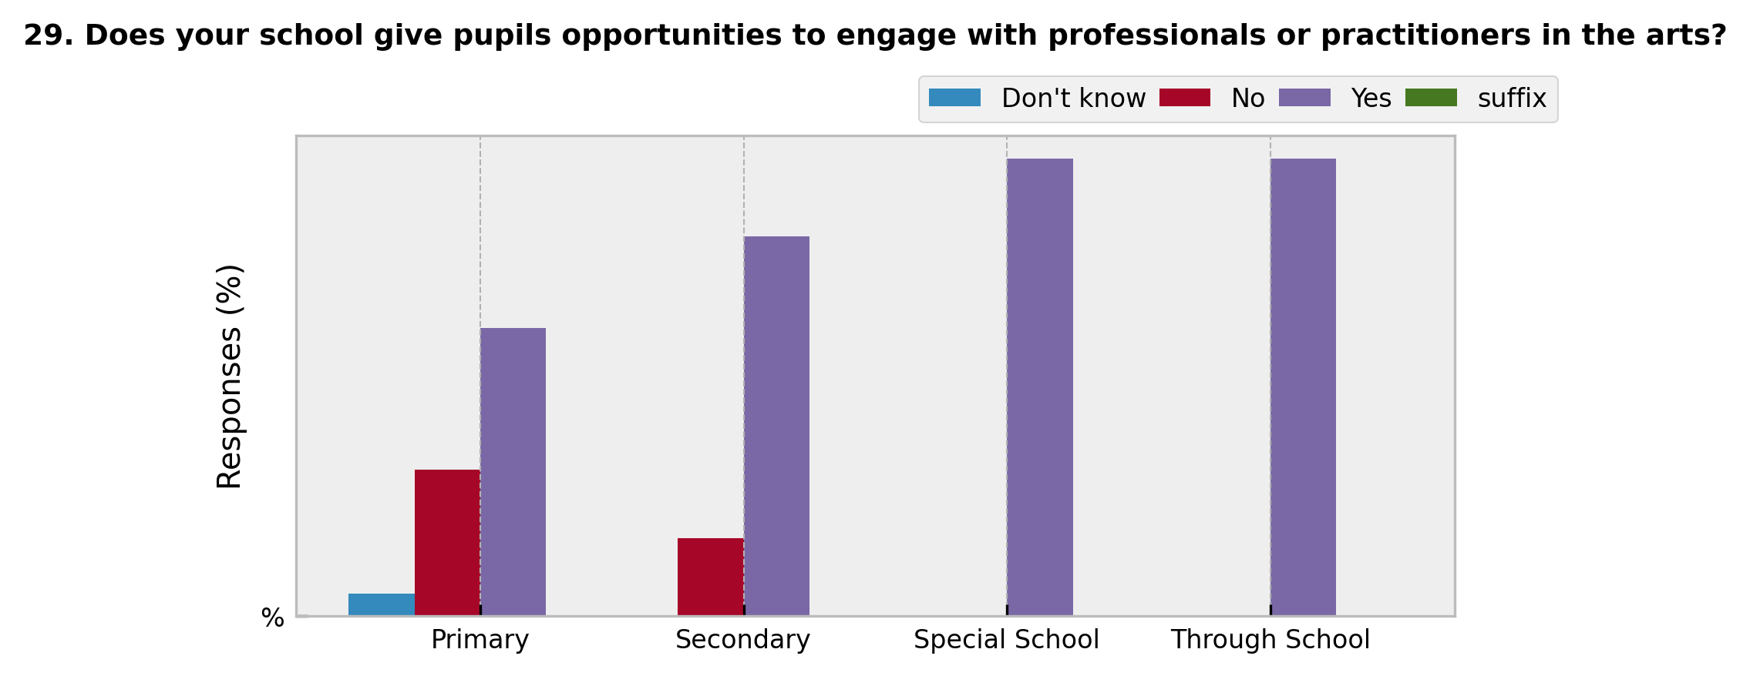
School Type | Don't know | No | Yes | suffix
Primary | 5 | 32 | 63 | %
Secondary | 0 | 17 | 83 | %
Special School | 0 | 0 | 100 | %
Through School | 0 | 0 | 100 | %

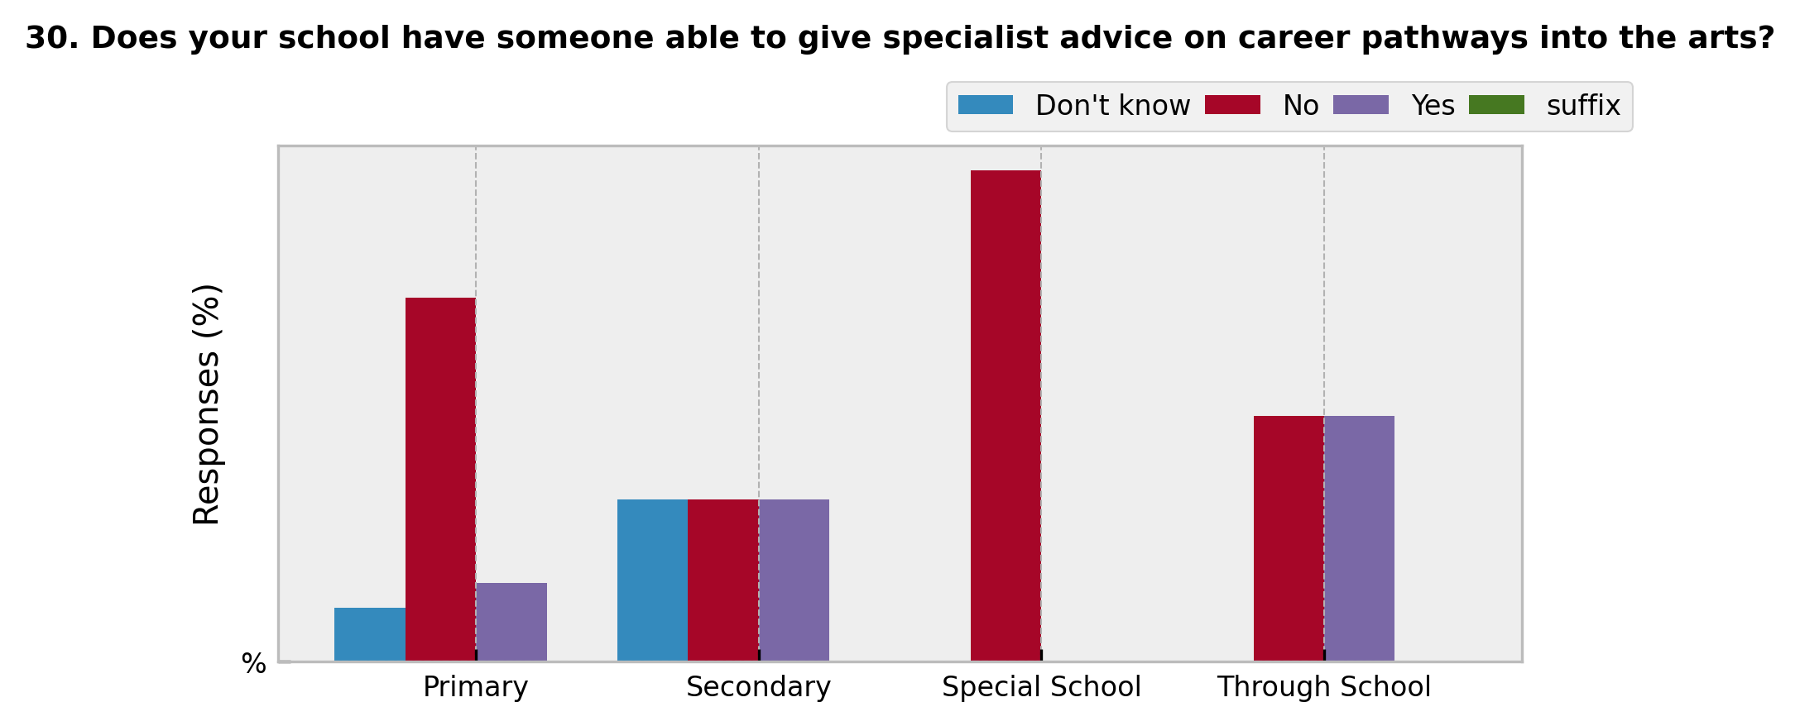
School Type | Don't know | No | Yes | suffix
Primary | 11 | 74 | 16 | %
Secondary | 33 | 33 | 33 | %
Special School | 0 | 100 | 0 | %
Through School | 0 | 50 | 50 | %

School Type | Don't know | No | Not applicable | Yes | suffix
Primary | 5 | 76 | 18 | 0 | %
Secondary | 67 | 33 | 0 | 0 | %
Special School | 14 | 29 | 29 | 29 | %
Through School | 0 | 0 | 0 | 100 | %

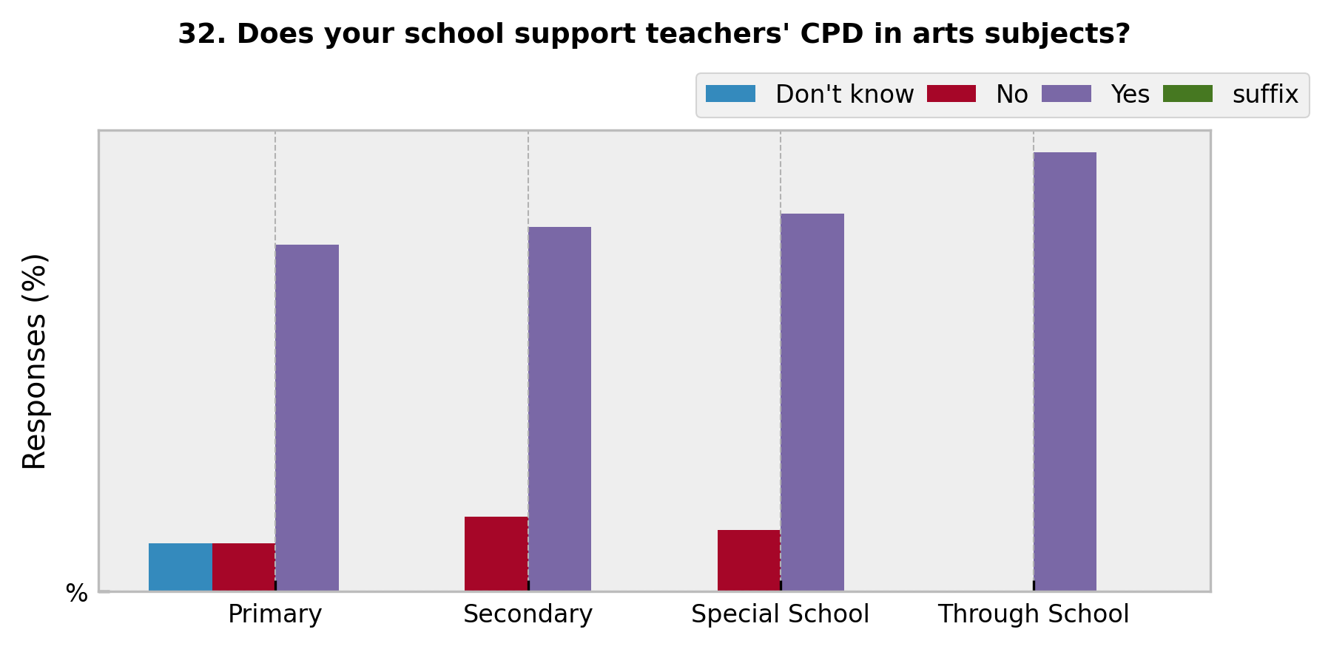
School Type | Don't know | No | Yes | suffix
Primary | 11 | 11 | 79 | %
Secondary | 0 | 17 | 83 | %
Special School | 0 | 14 | 86 | %
Through School | 0 | 0 | 100 | %

